Page 1_01
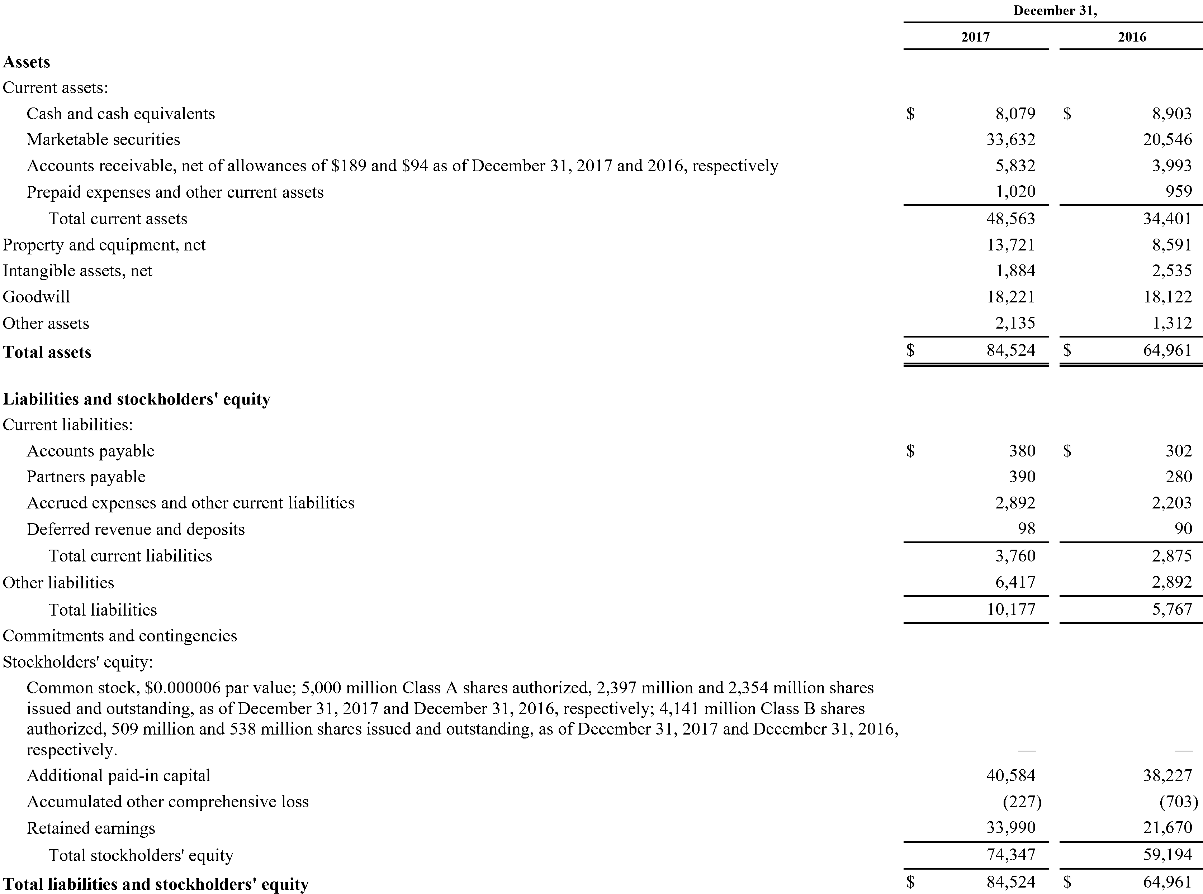
 | December 31,
 | 2017 | 2016
Assets
Current assets:
Cash and cash equivalents | $ 8,079 | $ 8,903
Marketable securities | 33,632 | 20,546
Accounts receivable, net of allowances of $189 and $94 as of December 31, 2017 and 2016, respectively | 5,832 | 3,993
Prepaid expenses and other current assets | 1,020 | 959
Total current assets | 48,563 | 34,401
Property and equipment, net | 13,721 | 8,591
Intangible assets, net | 1,884 | 2,535
Goodwill | 18,221 | 18,122
Other assets | 2,135 | 1,312
Total assets | $ 84,524 | $ 64,961
Liabilities and stockholders' equity
Current liabilities:
Accounts payable | $ 380 | $ 302
Partners payable | 390 | 280
Accrued expenses and other current liabilities | 2,892 | 2,203
Deferred revenue and deposits | 98 | 90
Total current liabilities | 3,760 | 2,875
Other liabilities | 6,417 | 2,892
Total liabilities | 10,177 | 5,767
Commitments and contingencies Stockholders' equity:
Common stock, $0.000006 par value; 5,000 million Class A shares authorized, 2,397 million and 2,354 million shares issued and outstanding, as of December 31, 2017 and December 31, 2016, respectively; 4,141 million Class B shares authorized, 509 million and 538 million shares issued and outstanding, as of December 31, 2017 and December 31, 2016, respectively. | — | —
Additional paid-in capital | 40,584 | 38,227
Accumulated other comprehensive loss | (227) | (703)
Retained earnings | 33,990 | 21,670
Total stockholders' equity | 74,347 | 59,194
Total liabilities and stockholders' equity | $ 84,524 | $ 64,961

Page 2_01
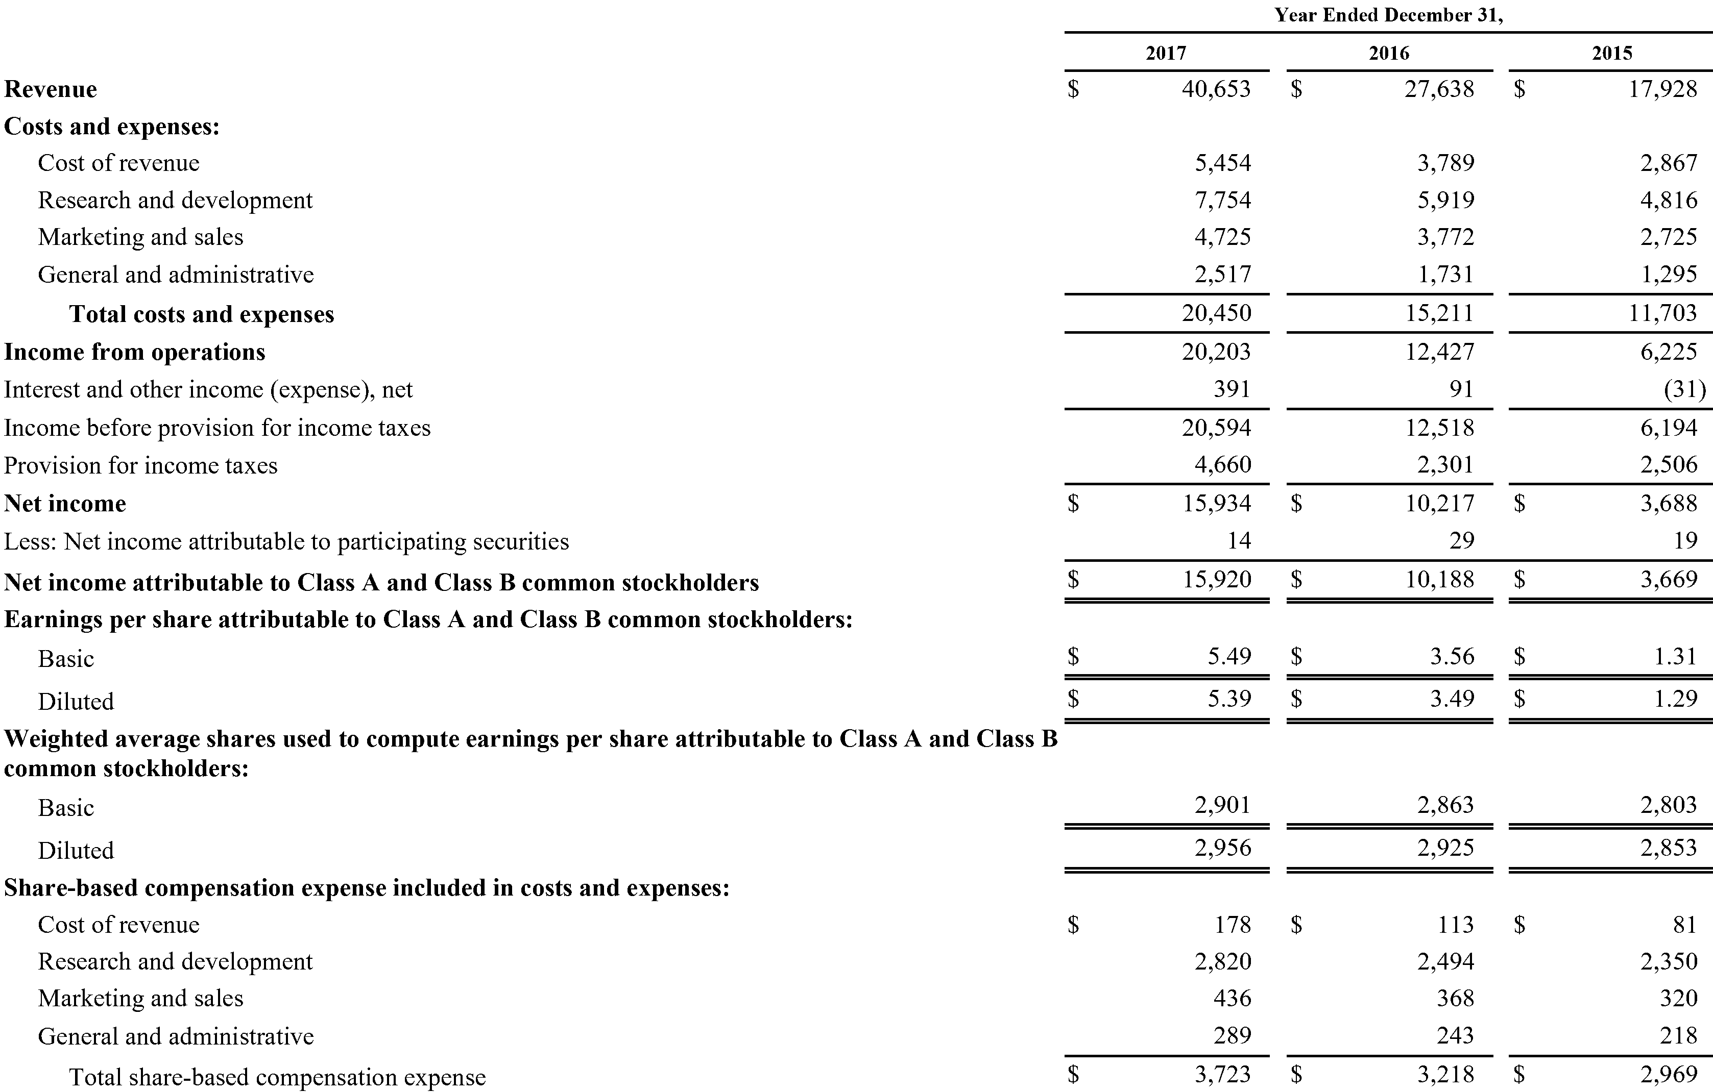
 | Year Ended December 31,
 | 2017 | 2016 | 2015
Revenue | $ 40,653 | $ 27,638 | $ 17,928
Costs and expenses:
Cost of revenue | 5,454 | 3,789 | 2,867
Research and development | 7,754 | 5,919 | 4,816
Marketing and sales | 4,725 | 3,772 | 2,725
General and administrative | 2,517 | 1,731 | 1,295
Total costs and expenses | 20,450 | 15,211 | 11,703
Income from operations | 20,203 | 12,427 | 6,225
Interest and other income (expense), net | 391 | 91 | (31)
Income before provision for income taxes | 20,594 | 12,518 | 6,194
Provision for income taxes | 4,660 | 2,301 | 2,506
Net income | $ 15,934 | $ 10,217 | $ 3,688
Less: Net income attributable to participating securities | 14 | 29 | 19
Net income attributable to Class A and Class B common stockholders | $ 15,920 | $ 10,188 | $ 3,669
Earnings per share attributable to Class A and Class B common stockholders:
Basic | $ 5.49 | $ 3.56 | $ 1.31
Diluted | $ 5.39 | $ 3.49 | $ 1.29
Weighted average shares used to compute earnings per share attributable to Class A and Class B common stockholders:
Basic | 2,901 | 2,863 | 2,803
Diluted | 2,956 | 2,925 | 2,853
Share-based compensation expense included in costs and expenses:
Cost of revenue | $ 178 | $ 113 | $ 81
Research and development | 2,820 | 2,494 | 2,350
Marketing and sales | 436 | 368 | 320
General and administrative | 289 | 243 | 218
Total share-based compensation expense | $ 3,723 | $ 3,218 | $ 2,969

Page 3_01

 | Year Ended December 31,
 | 2017 | 2016 | 2015
Net income | $ 15,934 | $ 10,217 | $ 3,688
Other comprehensive income (loss):
Change in foreign currency translation adjustment, net of tax | 566 | (152) | (202)
Change in unrealized gain/loss on available-for-sale investments and other, net of tax | (90) | (96) | (25)
Comprehensive income | $ 16,410 | $ 9,969 | $ 3,461

Page 4_01
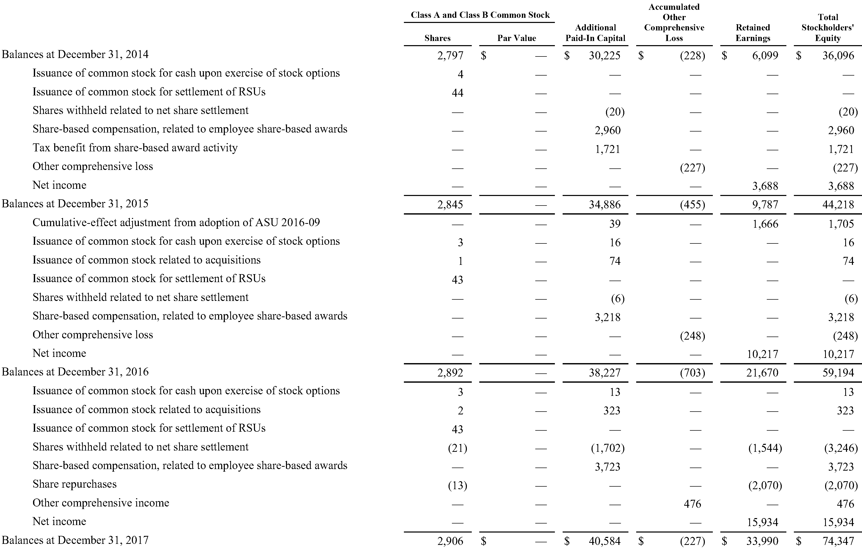
 | Class A and Class B Common Stock |  |  | Accumulated Other Comprehensive Loss
 | Shares | Par Value | Additional Paid-In Capital |  | Retained Earnings | Total Stockholders' Equity
Balances at December 31, 2014 | 2,797 | $ — | $ 30,225 | $ (228) | $ 6,099 | $ 36,096
Issuance of common stock for cash upon exercise of stock options | 4 | — | — | — | — | —
Issuance of common stock for settlement of RSUs | 44 | — | — | — | — | —
Shares withheld related to net share settlement | — | — | (20) | — | — | (20)
Share-based compensation, related to employee share-based awards | — | — | 2,960 | — | — | 2,960
Tax benefit from share-based award activity | — | — | 1,721 | — | — | 1,721
Other comprehensive loss | — | — | — | (227) | — | (227)
Net income | — | — | — | — | 3,688 | 3,688
Balances at December 31, 2015 | 2,845 | — | 34,886 | (455) | 9,787 | 44,218
Cumulative-effect adjustment from adoption of ASU 2016-09 | — | — | 39 | — | 1,666 | 1,705
Issuance of common stock for cash upon exercise of stock options | 3 | — | 16 | — | — | 16
Issuance of common stock related to acquisitions | 1 | — | 74 | — | — | 74
Issuance of common stock for settlement of RSUs | 43 | — | — | — | — | —
Shares withheld related to net share settlement | — | — | (6) | — | — | (6)
Share-based compensation, related to employee share-based awards | — | — | 3,218 | — | — | 3,218
Other comprehensive loss | — | — | — | (248) | — | (248)
Net income | — | — | — | — | 10,217 | 10,217
Balances at December 31, 2016 | 2,892 | — | 38,227 | (703) | 21,670 | 59,194
Issuance of common stock for cash upon exercise of stock options | 3 | — | 13 | — | — | 13
Issuance of common stock related to acquisitions | 2 | — | 323 | — | — | 323
Issuance of common stock for settlement of RSUs | 43 | — | — | — | — | —
Shares withheld related to net share settlement | (21) | — | (1,702) | — | (1,544) | (3,246)
Share-based compensation, related to employee share-based awards | — | — | 3,723 | — | — | 3,723
Share repurchases | (13) | — | — | — | (2,070) | (2,070)
Other comprehensive income | — | — | — | 476 | — | 476
Net income | — | — | — | — | 15,934 | 15,934
Balances at December 31, 2017 | 2,906 | $ — | $ 40,584 | $ (227) | $ 33,990 | $ 74,347

Page 5_01
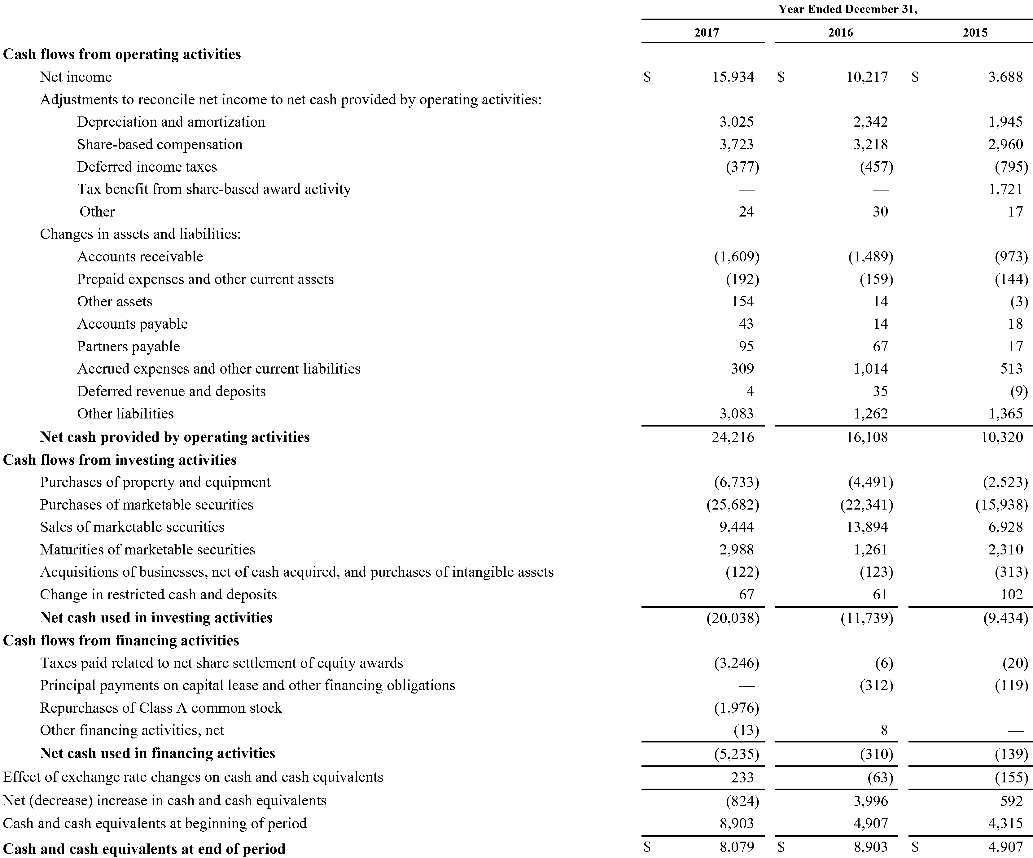
 | Year Ended December 31,
 | 2017 | 2016 | 2015
Cash flows from operating activities
Net income | $ 15,934 | $ 10,217 | $ 3,688
Adjustments to reconcile net income to net cash provided by operating activities:
Depreciation and amortization | 3,025 | 2,342 | 1,945
Share-based compensation | 3,723 | 3,218 | 2,960
Deferred income taxes | (377) | (457) | (795)
Tax benefit from share-based award activity | — | — | 1,721
Other | 24 | 30 | 17
Changes in assets and liabilities:
Accounts receivable | (1,609) | (1,489) | (973)
Prepaid expenses and other current assets | (192) | (159) | (144)
Other assets | 154 | 14 | (3)
Accounts payable | 43 | 14 | 18
Partners payable | 95 | 67 | 17
Accrued expenses and other current liabilities | 309 | 1,014 | 513
Deferred revenue and deposits | 4 | 35 | (9)
Other liabilities | 3,083 | 1,262 | 1,365
Net cash provided by operating activities | 24,216 | 16,108 | 10,320
Cash flows from investing activities
Purchases of property and equipment | (6,733) | (4,491) | (2,523)
Purchases of marketable securities | (25,682) | (22,341) | (15,938)
Sales of marketable securities | 9,444 | 13,894 | 6,928
Maturities of marketable securities | 2,988 | 1,261 | 2,310
Acquisitions of businesses, net of cash acquired, and purchases of intangible assets | (122) | (123) | (313)
Change in restricted cash and deposits | 67 | 61 | 102
Net cash used in investing activities | (20,038) | (11,739) | (9,434)
Cash flows from financing activities
Taxes paid related to net share settlement of equity awards | (3,246) | (6) | (20)
Principal payments on capital lease and other financing obligations | — | (312) | (119)
Repurchases of Class A common stock | (1,976) | — | —
Other financing activities, net | (13) | 8 | —
Net cash used in financing activities | (5,235) | (310) | (139)
Effect of exchange rate changes on cash and cash equivalents | 233 | (63) | (155)
Net (decrease) increase in cash and cash equivalents | (824) | 3,996 | 592
Cash and cash equivalents at beginning of period | 8,903 | 4,907 | 4,315
Cash and cash equivalents at end of period | $ 8,079 | $ 8,903 | $ 4,907

Page 6_01

 | Year Ended December 31,
 | 2017 | 2016 | 2015
Supplemental cash flow data
Cash paid during the period for:
Interest | $ — | $ 11 | $ 10
Income taxes, net | $ 2,117 | $ 1,210 | $ 270
Non-cash investing and financing activities:
Net change in accounts payable, accrued expenses and other current liabilities, and other liabilities related to property and equipment additions | $ 363 | $ 272 | $ 88
Promissory note payable issued in connection with an acquisition | $ — | $ — | $ 198
Settlement of acquisition-related contingent consideration liability | $ 102 | $ 33 | $ —
Change in unsettled repurchases of Class A common stock | $ 94 | $ — | $ —

